CTI
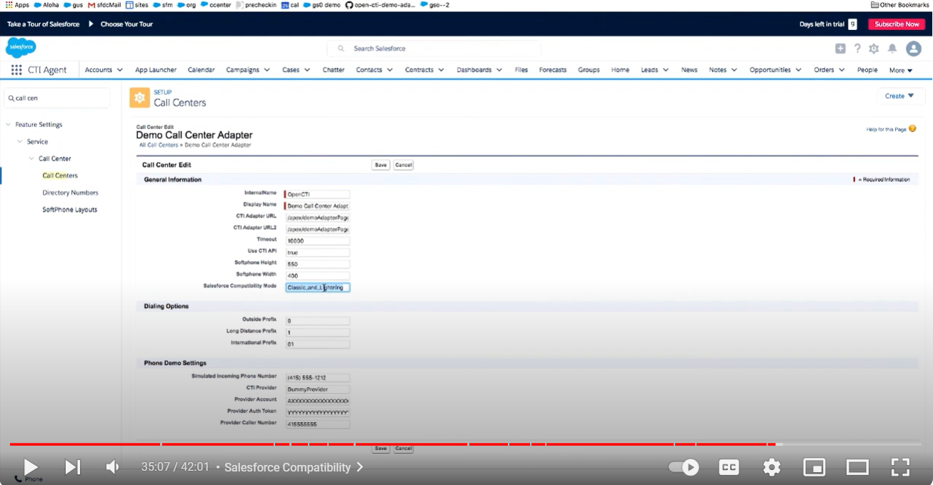
Required below details from service provider to configure with Windstream with Salesforce CTI
CTI Adapter Package or Integration Details: | CTI adapter package or integration provided by service provider. This could include the version number, installation instructions, and any prerequisites.
CTI Provider Credentials: | Required login credentials provided by CTI service provider.These credentials are used to authenticate and establish the connection between Salesforce and your CTI provider's system.
Please provide us Endpoint URLs | CTI provider will give us the endpoint URLs that Salesforce will use to communicate with the CTI service.
Required Security Tokens or API Keys | to authenticate API requests from Salesforce to CTI service provider's system.
Configuration Settings | CTI service provider might offer configuration settings that you need to set up within Salesforce. This could include settings related to call routing, call queues, user permissions, etc.
Phone Number Mapping: Whats the toll free number ? | we need to map Salesforce user phone numbers to their corresponding numbers in the phone system. This ensures that incoming calls are correctly routed to the appropriate Salesforce users.
Documentation and Support: | Make sure to obtain documentation provided by your CTI service provider, including installation guides, user manuals, troubleshooting tips, and support contact information.

Questions for service provider
What telephony features does your service offer?
Can your service handle inbound and outbound calls within Salesforce?
Does your service support call logging, call routing, and call recording within Salesforce?
Can we customize call flows and call handling based on our specific business requirements?
Is there flexibility to customize screen pops and call scripts within Salesforce?

 | Features:
 | 1. What telephony features does your service offer?
 | 2. Can your service handle inbound and outbound calls within Salesforce?
 | 3. Does your service support call logging, call routing, and call recording within Salesforce?
 | Scalability:
 | How scalable is your telephony service, especially when integrated with Salesforce CTI?
 | Customization:
 | Can we customize call flows and call handling based on our specific business requirements?
 | Is there flexibility to customize screen pops and call scripts within Salesforce?
 | Data Integration:
 | How does your telephony service integrate with Salesforce data?
 | Can it access and update Salesforce records in real-time during calls?
 | Security:
 | What security measures are in place to protect sensitive customer data during calls?
Subject: Text field to specify the subject of the communication. | Support and Maintenance:
Transcript: Long text area field to store the transcript text. | What level of support do you provide for integrating and maintaining the telephony service with Salesforce CTI?
Date/Time: Date/time field to record the timestamp of the communication. | How quickly can issues related to the integration be resolved?
Participants: Lookup or related list to link to contacts, leads, or accounts involved in the communication. | Documentation:
Type: Picklist field to specify the type of communication (e.g., phone call, email, chat). | Do you provide any documentation for configuring and using the telephony service with Salesforce CTI?
 | Does they provide any managed packages ?
 | Do they support both Soft phone or on -premise phones ?
 | Cost and Pricing:
 | What are the costs associated with integrating your telephony service with Salesforce CTI?
 | Are there any additional fees for specific features or support?
 | Call Analytics and Reporting:
 | Does your telephony service provide detailed call analytics and reporting capabilities?
 | Can we track metrics such as call duration, call volume, and response times directly within Salesforce?
satus |  | Scalability+C55:B27:B45

thinkConnect CTI Connector for Salesforce
https://www.youtube.com/watch?v=igFoHUVjJJU

